19-4 AMS
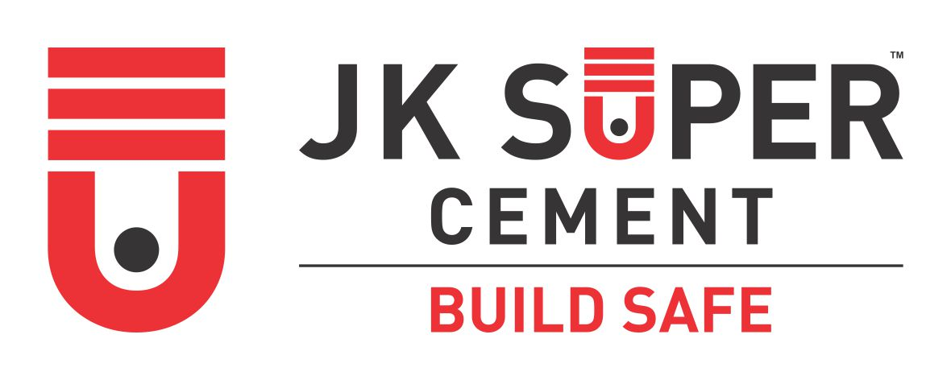

CUSTOMER TECHNICAL SERVICES
J.K. CEMENT LTD

EVENT ATTENDANCE RECORD

Date of Event: | 4/19/2022 |  |  |  | Counter Name : AGARWAL MACHINERY STORE
Event Name: | SGM |  |  |  | Place of Event : BAYANA
CTS Name: | NIRANJAN CHAUDHARY |  |  |  | Martketing Executive :
Gift Item: | SAUCE PAN |  |  |  | Date of Event : 19-04-22
S.No | Name of Invitee | Contact No | JK User (Y/N) | Preffered Brand | Registered in Shoorveer (Y/N) | Food & Arrangement Score (1- 5) | Training Score (1-5) | Gift Score (1-5) | Remarks
1 | JAGDISH | 9929289752 | Y | JK SUPER | Y | 4 | 5 | 5
2 | DHANPAL | 8058658019 | Y | JK SUPER | Y | 4 | 5 | 5
3 | LALCHAND' | 8290152663 | Y | JK SUPER | Y | 4 | 5 | 5
4 | CHARAN SINGH | 9166881294 | N | ULTRATECH | Y | 4 | 5 | 5
5 | BALDEV | 9680712936 | Y | JK SUPER | Y | 4 | 5 | 5
6 | BHAGSINGH | 8058267426 | Y | JK SUPER | Y | 4 | 5 | 5
7 | SAUDAN | 8094268748 | N | JK LAKSHMI | Y | 4 | 5 | 5
8 | RAMESH | 8439417699 | Y | AMBUJA | Y | 4 | 5 | 5
9 | KISHAN | 9252104782 | Y | BAGUR | Y | 4 | 5 | 5
10 | BALVEER | 9413162596 | Y | JK SUPER | Y | 4 | 5 | 5
11 | CHANDRABHAN | 9610879300 | Y | JK SUPER | Y | 4 | 5 | 5
12 | SHER SINGH | 9694941431 | Y | JK SUPER | Y | 4 | 5 | 5
13 | RAGHAV SINGH | 9784605335 | Y | SHREE | Y | 4 | 5 | 5

 | Signature of Technical Officer |  |  | Signature of Marketing Executive |  |  |  |  | Signature & Stamp of Dealer

